About
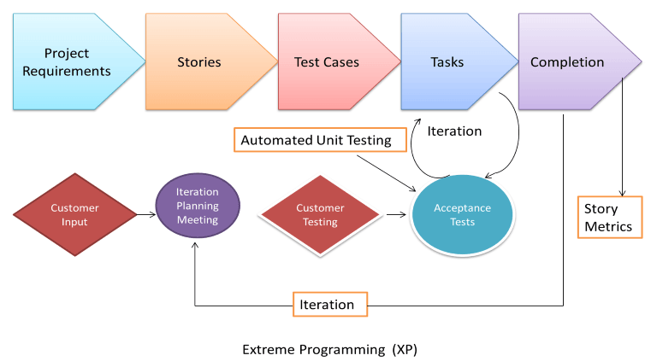
ABOUT THIS GANTT CHART

Visualize and track your projects using this Gantt chart template. To start, enter the tasks you're working on in the Milestone Description section and then enter details for each task. The data will automatically update and it’s easy to insert new tasks or use the scrollbar to scroll through the timeline.
• Use Progress to add how much of the project you finished by adding a percentage number. • Add the day you started your project in the Start Date. • Finish your calculations by filling in the number of days you need to complete your project in the No. of Days field.

